Instructions
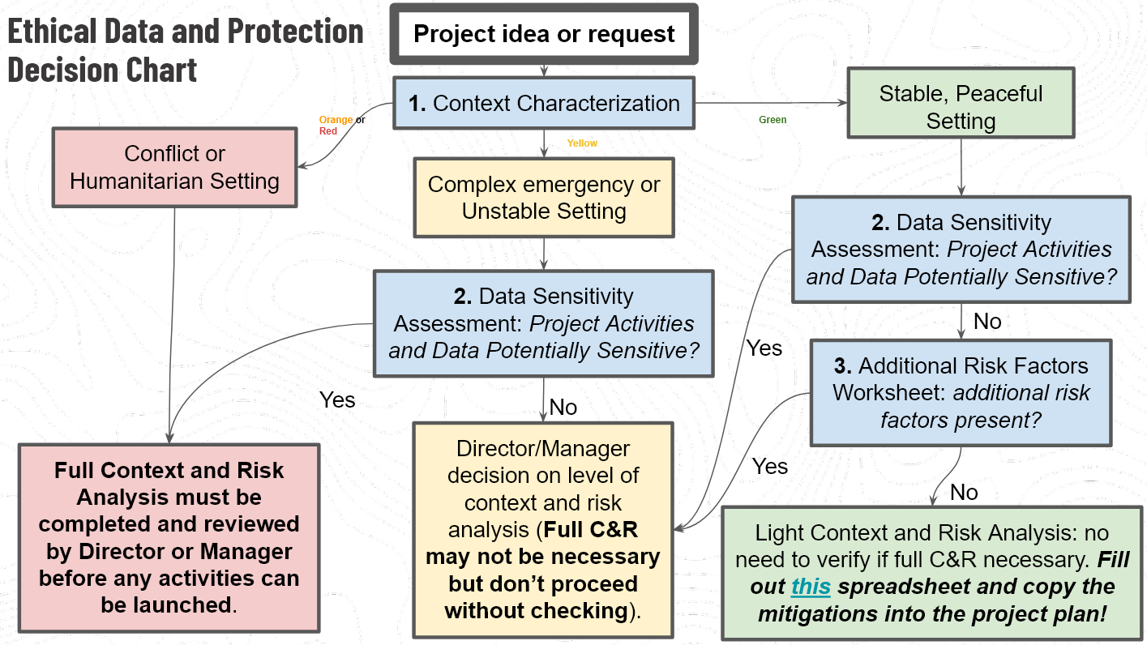
PROJECT PROPONENTS/LEADS: This tool should be filled out prior to beginning any new field mapping project executed or directly financed/supported by HOT, or any remote mapping project undertaking in a conflict area.
Please make a copy of this spreadsheet and rename it for your proposed project, i.e. "Bali Community Drone Mapping Protection Risk Assessment."
Once completed, this workbook should be retained in the project documentation folder.
The HOT Ethical Data and Protection Policy requires all new field mapping projects to be assessed for risk of harm to communities from our data and/or activities. In many cases (where Protection risks are not unusually high), completing the checklist and worksheets in this spreadsheet are sufficient. In high-risk contexts or where sensitive data is involved, further consultation may be required.

The Ethical Data and Protection CHECKLIST (second tab) is your starting point.

You must complete the: CHECKLIST 1. Context Categorization 2. Data Sensitivity Assessment 3. Additional Risk Factors 4. Protection Risk Assessment 5. Signoff and Approval (at the bottom of the CHECKLIST sheet)

